Sheet1
SERVICE ORDER FORM (SOF) - NEILOS NETWORK LIMITED |  |  |  |  |  | 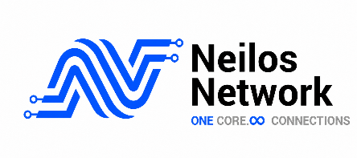

CUSTOMER INFORMATION |  |  | NEILOS NETWORK LIMITED INFORMATION
Company Name (KYC) |  |  | SOF Number
Technical contact Name |  |  | Technical contact Name
Phone |  |  | Phone
Email |  |  | Email
Billing contact Name |  |  | Billing contact Name
Phone |  |  | Phone
Email |  |  | Email

SERVICE REQUEST |  |  | SITE DETAILS
Bandwidth |  |  | NNI Port Size (1G, 10G, 40G)
Service Type | Layer 2 Last mile | IPT | A-End Site GPS Cordiantes
 | Dark Fiber | SDWAN | A-End Street name & City
 | Managed Wi-Fi | MPLS | B-End Site GPS Cordiantes
Initial Remote hands required | YES | NO | B-end Street name & City
New Cross Connect Requred | YES | NO | Savanna's tool Feasibility | Feasible | Not-Feasible

COMMERCIAL
Billing Cycle | Monthly |  | Currency of Payment | TZS
Service Minimum Term (Months) | 24 |  | USD to TZS RATE | 2,670.00
Monthly Charges | 2,200,000.00 |  | Set-Up Charges ( NRC ) | 456,000.00
VAT 18% | 396,000.00 |  | VAT 18% | 82,080.00
Total Monthly Charge | 2,596,000.00 |  | Total Once - Off | 538,080.00

SERVICE SUSPENSION
Neilos may suspend the Service as per the terms defined in the MSA, including immediate suspension for regulatory, compliance, commercial, or network security reasons.

DECLARATION
By signing this Service Order Form, the duly authorized representatives of both parties confirm that:
1.The information provided in this SOF is accurate and complete.
2. The commercial charges stated above shall remain valid for the agreed minimum contract term and are subject to the terms and conditions of the applicable MSA.
3.That this SOF forms part of and is governed by the applicable Master Service Agreement (MSA).
4.Neilos Network Limited is authorized to provision, install, and activate the services described in this Service Order Form.
5. Acknowledge that the Service shall be deemed accepted and billing starts automatically 72 hours after handover unless the Partner formally requests suspension within that period

Prepared By | Purchaser (Customer) |  | For Neilos Network Limited
Name |  |  | Name
Title |  |  | Title
Signature & Date |  |  | Signature & Date
Stamp |  |  | Stamp

